Sheet1
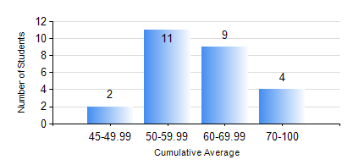
 |  |  | KWAME NKRUMAH UNIVERSITY OF SCIENCE AND TECHNOLOGY, KUMASI Department of Mechanical Engineering

 |  |  | BSC. MARINE ENG.

 |  |  | COMPREHENSIVE RECORD OF EXAMINATION RESULTS

 |  |  | RESULTS OF YEAR 2 SECOND SEMESTER, 2019/2020 ACADEMIC YEAR

 | Sn | Course Code |  | Course Name | Credit Hours | Min. Mark | Max. Mark | Avg. Mark | Std. Dev. | No. Passed | No. Trailed | No. (Df) | No. (I) | No. (I*) | No. Tagged(I,I*,Df) | Total
 | 0. |  |  |  |  |  |  | 0 | 0 | 0 | 0 | 0 | 0 | 0 | 0 | 1
 | 1. | MATH 252 |  | CALCULUS WITH SEVERAL VARIABLES | 4 | 47 | 76 | 64 | 9.42 | 25 | 0 | 0 | 0 | 0 | 0 | 25
 | 2. | ME 252 |  | FLUID DYNAMICS 1 | 2 | 40 | 85 | 67 | 11.79 | 25 | 0 | 0 | 0 | 0 | 0 | 25
 | 3. | ME 270 |  | MANUFACTURING TECHNOLOGY | 3 | 41 | 86 | 71 | 13.69 | 24 | 0 | 0 | 1 | 0 | 1 | 25
 | 4. | MME 264 |  | MARINE MECHANISMS, SYSTHESIS AND ANALYSIS | 3 | 41 | 79 | 67 | 8.69 | 24 | 0 | 0 | 1 | 0 | 1 | 25
 | 5. | MME 274 |  | MARINE ENGINEERING DESIGN PROJECT II | 2 | 56 | 95 | 86 | 9.46 | 25 | 0 | 0 | 0 | 0 | 0 | 25
 | 6. | MME 292 |  | SEAMANSHIP | 2 | 40 | 86 | 67 | 11.13 | 25 | 0 | 0 | 0 | 0 | 0 | 25
 | 7. | MME 296 |  | MARINE ENGINEERING LABORATORY I | 1 | 46 | 96 | 76 | 12.46 | 25 | 0 | 0 | 0 | 0 | 0 | 25
 | 8. | SES 172 |  | AQUATIC STROKES DEVELOPMENT AND REFINEMENT | 2 | 56 | 74 | 65 | 5.02 | 25 | 0 | 0 | 0 | 0 | 0 | 25

